Dashboard
Google vs Facebook Marketing Campaign results, 16/10/2019-07/07/2020

Total Spent by Channels |  | CPC by Channels
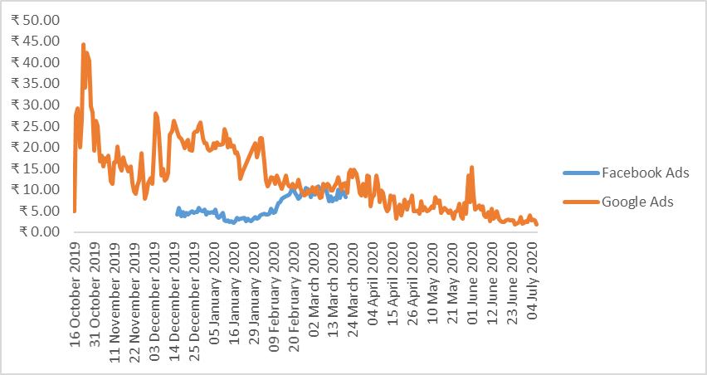
 | Facebook Ads | Google Ads
Oct |  | ₹ 16,017.78
Nov |  | ₹ 112,818.44
Dec | ₹ 30,508.86 | ₹ 587,844.28
Jan | ₹ 57,145.95 | ₹ 591,504.15
Feb | ₹ 240,853.11 | ₹ 389,470.25
Mar | ₹ 235,607.59 | ₹ 194,540.86
Apr |  | ₹ 14,926.10
May |  | ₹ 14,571.59
Jun |  | ₹ 14,286.49
Jul |  | ₹ 3,023.32

Google CPC by SubChannels | Google Spent By SubChannels
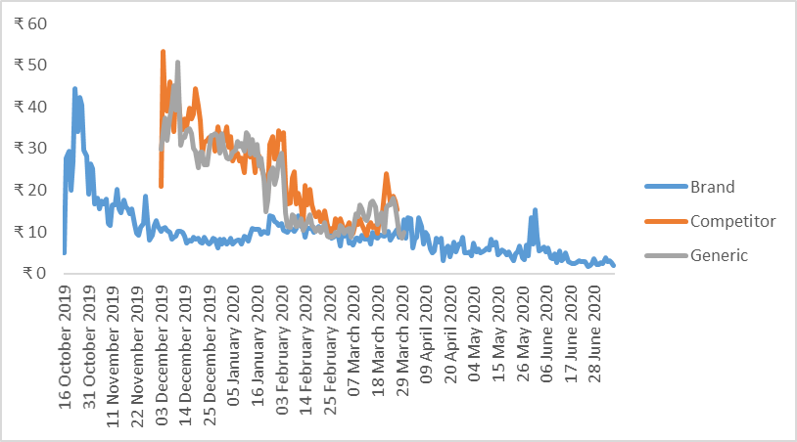

 | Total
Brand | ₹ 667,556.84
Competitor | ₹ 260,262.89
Generic | ₹ 1,011,183.53
Total Spent:
₹ 19,39,003.26

Google CPC by Device and Age | Google CPC by Device and Age
 | Total
Desktop | ₹ 20.40
Mobile | ₹ 15.61
Tablet | ₹ 22.82
Desktop | ₹ 21.04
Mobile | ₹ 14.08
Tablet | ₹ 14.59
Desktop | ₹ 21.01
Mobile | ₹ 13.02
Tablet | ₹ 21.29
Desktop | ₹ 20.39
Mobile | ₹ 12.05
Tablet | ₹ 9.65
Desktop | ₹ 19.96
Mobile | ₹ 12.04
Tablet | ₹ 21.49
Desktop | ₹ 20.42
Mobile | ₹ 12.28
Tablet | ₹ 12.80
Desktop | ₹ 17.94
Mobile | ₹ 14.11
Tablet | ₹ 14.73
 | Desktop | Mobile | Tablet
18-24 | ₹ 78,002.72 | ₹ 379,215.54 | ₹ 2,601.31
25-34 | ₹ 214,933.89 | ₹ 474,574.77 | ₹ 1,911.43
35-44 | ₹ 108,303.05 | ₹ 148,640.09 | ₹ 872.83
45-54 | ₹ 31,376.06 | ₹ 36,695.05 | ₹ 434.32
55-64 | ₹ 8,980.31 | ₹ 10,993.36 | ₹ 236.44
65 or more | ₹ 8,659.00 | ₹ 17,413.26 | ₹ 153.62
Undetermined | ₹ 137,635.47 | ₹ 276,089.00 | ₹ 1,281.74

Facebook CPC and CPA by Age | Facebook CPC and CPA by Creative Type

 | CPC | CPA
25-34 | ₹ 7.46 | ₹ 16.29
35-44 | ₹ 6.91 | ₹ 15.48
45-54 | ₹ 5.97 | ₹ 12.95
55-64 | ₹ 6.65 | ₹ 14.16
 | CPC | CPA
Carousal | ₹ 9.28 | ₹ 13.41
Image | ₹ 7.12 | ₹ 16.27

